CDC HCP Exposure Risk Criteria
Assessing Risk of HCP with Monkeypox Virus Exposures to Guide Monitoring and Recommendations for Postexposure Prophylaxis
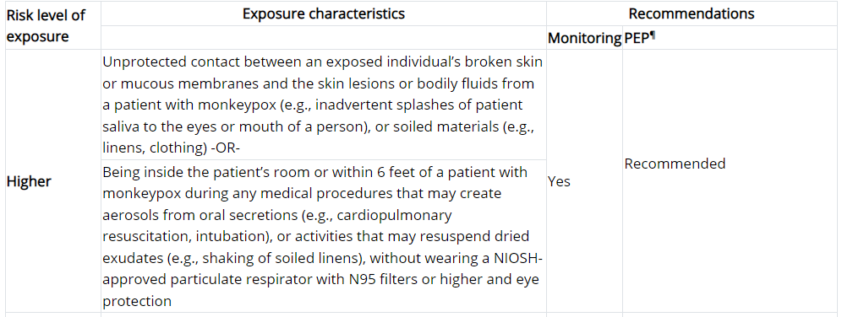

Reference: | Infection Control: Healthcare Settings | Monkeypox | Poxvirus | CDC

MT HCP Exposure Risk by PPE
Assessing Risk of HCP with Monkeypox Virus Exposures to Guide Monitoring and Recommendations for Postexposure Prophylaxis

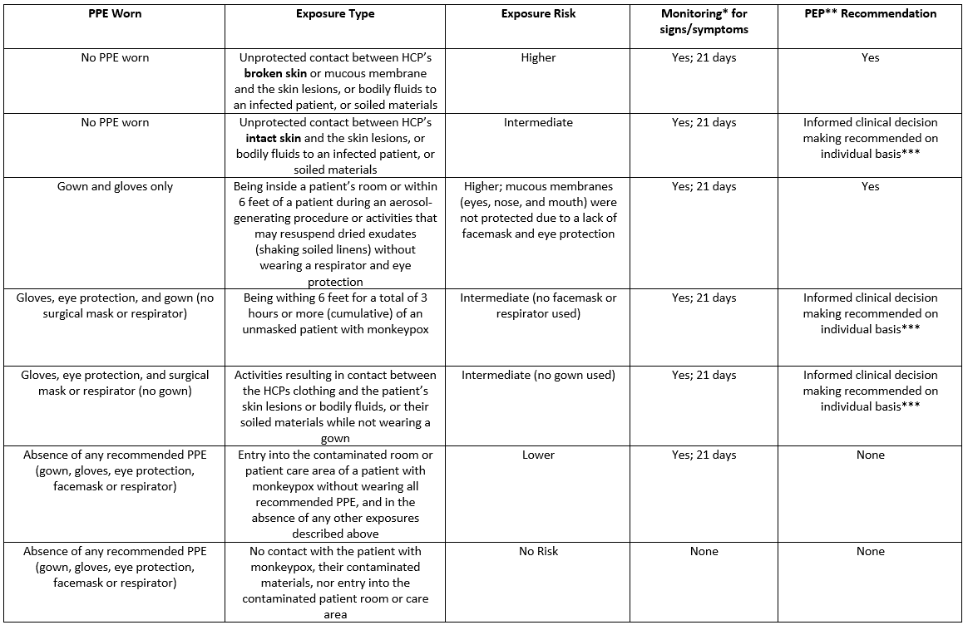

*Monitoring: Includes ascertainment of selected signs and symptoms of monkeypox: fever (≥100.4°F), chills, new lymphadenopathy, and new skin rash through 21 days after the exposure to the patient or patient’s materials.
**PEP: Postexposure prophylaxis
*** Factors that may increase the risk of monkeypox transmission include (but are not limited to): the person with monkeypox infection had clothes that were soiled with bodily fluids or secretions (e.g., discharge, skin flakes on clothes) or was coughing while not wearing a mask or respirator, or the exposed individual is not previously vaccinated against smallpox or monkeypox. People who may be at increased risk for severe disease include (but are not limited to): young children (<8 years of age), individuals who are pregnant or immunocompromised, and individuals with a history of atopic dermatitis or eczema.

Asymptomatic HCP with exposures to monkeypox virus do not need to be excluded from work, but should be monitored (e.g., at least a daily assessment conducted by the exposed HCP for signs and symptoms of monkeypox infection) for 21 days after their last exposure. Decisions on how to monitor exposed HCP are at the discretion of the occupational health program and public health authorities.

